Sheet1
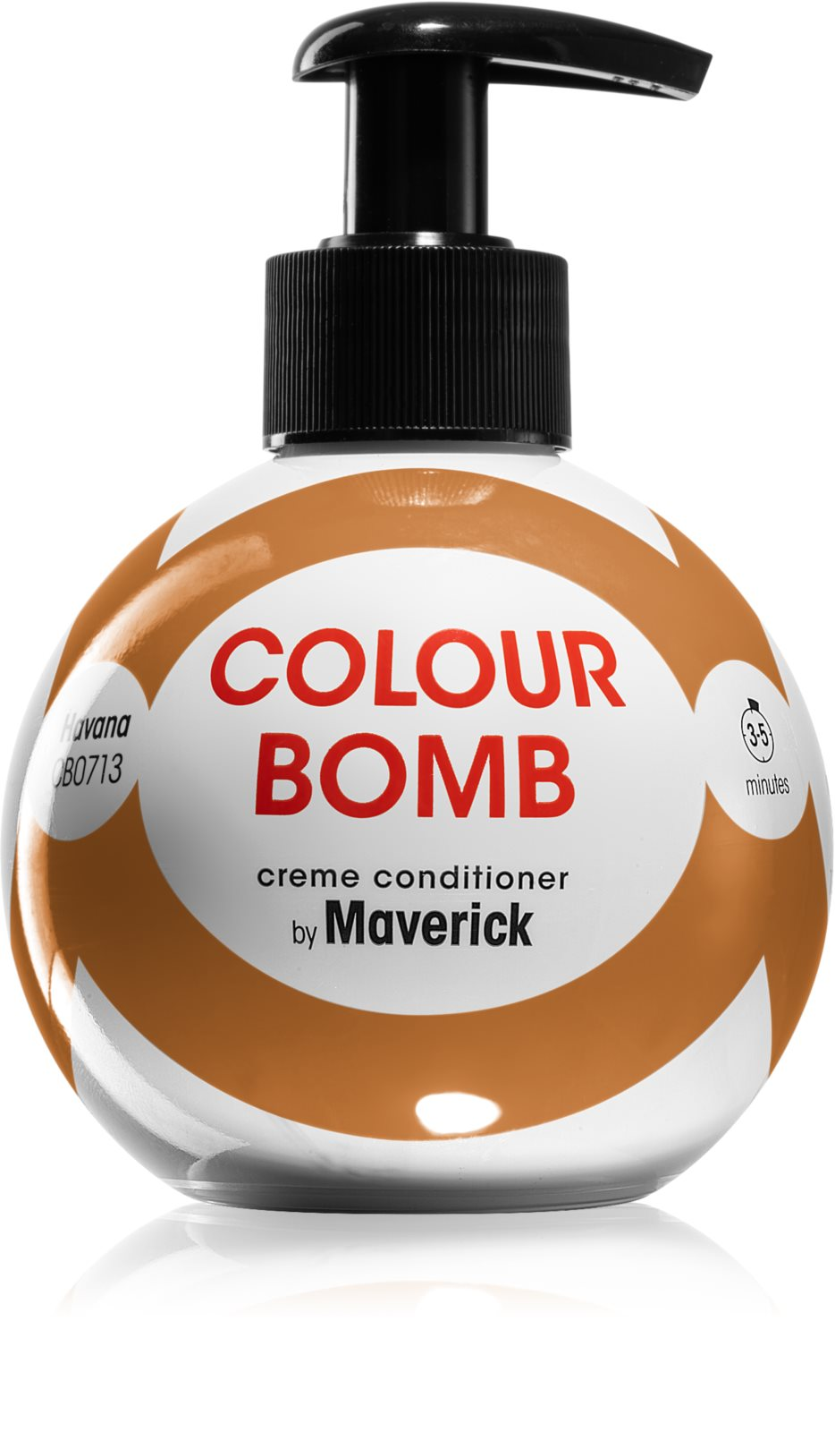
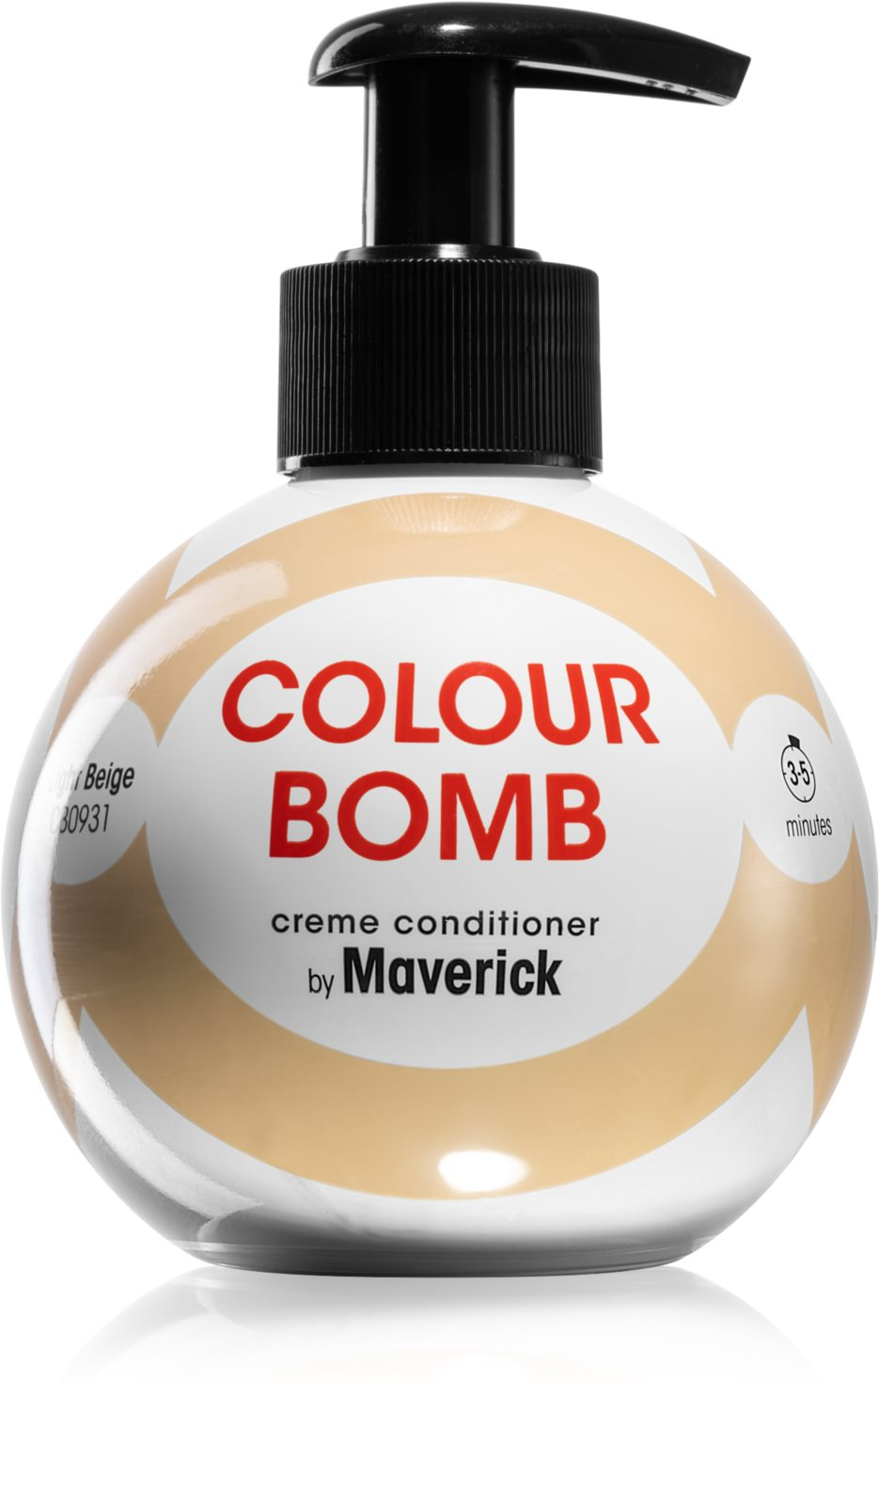
 |  | COLOUR BOMB |  | 2024

CODE | EAN | NAME | SIZE (ml) | BOX | QTY | SRP
200 | 73149767 | BURGUNDY | 250ml | 6 | 144 | £9.99
411 | 73149736 | COLD BROWN | 250ml | 6 | 8744 | £9.99
513 | 73149743 | DEEP CHESTNUT | 250ml | 6 | 144 | £9.99
713 | 73149774 | HAVANA | 250ml | 6 | 8336 | £9.99
931 | 73149729 | LIGHT BIEGE | 250ml | 6 | 1400 | £9.99
 |  |  |  |  | 18,768
 |  | Stock available immediately
 |  | To be sold outside EU and UK
 |  | Price Ex Workls
